Feedback 1
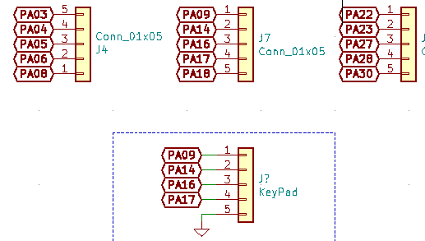
 | Already Used for some other puposes | Available for use?
 | PA04 | PA00
 | PA05 | PA01
 | PA06 | PA02
 | PA07 | PA03
 | PA08 | PA10
 | PA09 | PA11
 | PA14 | PA15
 | PA16 | PA24
 | PA17 | PA25
 | PA18 | PA27
 | PA22 | PA28
 | PA23
If we want a DAC we must go to PA02 | PA30
VREF can be choosen to use internal voltages
For ADC pins we have multiple options even PA08,09 can be used | **PA15 is never used anywhere. Even in pin headers it is missing

